Module 16
Main
 | Module 16 - Retained Earnings and Distributable Profits

 | RE is not the same as distributable profits
 | Dividends are paid by individual companies
 | consolidatd statements are not relevent when considering if a divi is legal or not

 | Dsitributable profits are those which a company could lawfully make a distribution

 | not all RE is available for distribution. Some may be non-distributable, permenent capital

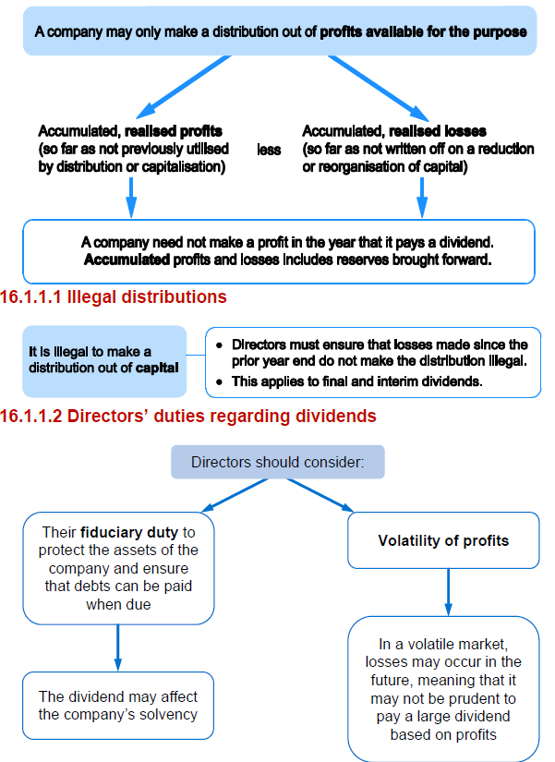

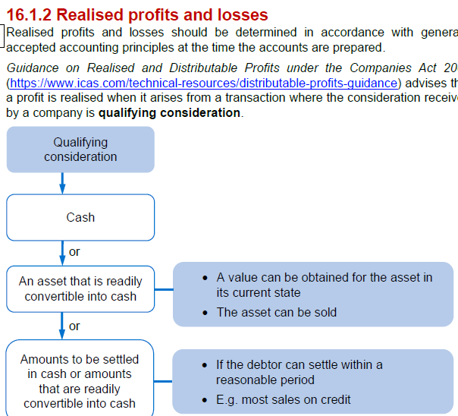

 | Activity 1
 | Distributable profits
 | SC | 5,000
 | SP | 4,000
 | RVS | 1,000
 | RE | 7,000
 |  | 17,000

 | Opening RE | 7,000
 | Profit in the year | 1200
 | divi's paid out | -280
 | 1 for 1 bonus share | -5,000
 | reval on property | 0 | <<<unrealised profit
 | reval surpl release | 1,000
 | new business acq. | 0 | <<<unrealised gain on exchange
 | retained earnigns at YE | 3,920

 | distributable | 3,020
 | non distributable profits | 900
 | Retained earnings | 3,920

 | FV increase on investment profit | 300
 | unrealised gain on exchange | 600
 |  | 900

